Detailed Budget
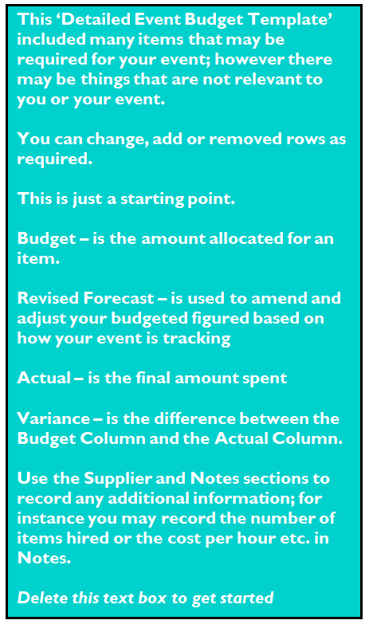
EVENT BUDGET TEMPLATE

Event: | EVENT NAME
Venue: | VENUE /LOCATION
Dates: | xx/xx/xx - xx/xx/xx
Times: | 00:01 - 24:00

Created by: | NAME |  | Date Created: | xx/xx/xx
Modified by: | NAME |  | Date Modified | 7/30/17

Saved: | enter the file path where this document is saved

INCOME
Description | Code | Budget | Revised Forecast | Actual | Variance | Supplier | Notes

Admission
Ticket Sales |  |  |  | $- | $-
Entry Fee/Donations |  |  |  | $- | $-
Registration |  |  |  | $- | $-
Other |  |  |  | $- | $-
ADMISSION TOTAL |  | $- | $- | $- | $-

Site fees
Vendor fees |  |  |  | $- | $-
Other |  |  |  | $- | $-
SITE FEE TOTAL |  | $- | $- | $- | $-

Promotional
Merchandise |  |  |  | $- | $-
Sponsorship |  |  |  | $- | $-
Advertising |  |  |  | $- | $-
Other |  |  |  | $- | $-
PROMO TOTAL |  | $- | $- | $- | $-
INCOME Grand Total |  | $- | $- | $- | $-

EXPENSES
Description | Code | Budget | Revised Forecast | Actual | Variance | Supplier | Notes

Venue / Location Hire
Venue |  |  |  | $- | $-
Site fees |  |  |  | $- | $-
Other |  |  |  | $- | $-
VENUE TOTAL |  | $- | $- | $- | $-

Hire Equipment
Staging |  |  |  | $- | $-
AV |  |  |  |  | $-
Furniture |  |  |  | $- | $-
Lighting |  |  |  | $- | $-
Power |  |  |  | $- | $-
Cool rooms |  |  |  | $- | $-
Marquees |  |  |  | $- | $-
Theming |  |  |  | $- | $-
Fencing |  |  |  | $- | $-
Bins |  |  |  | $- | $-
Other |  |  |  | $- | $-
Other |  |  |  | $- | $-
HIRE TOTAL |  | $- | $- | $- | $-

Signage
Directional signage |  |  |  | $- | $-
Promotional signage |  |  |  | $- | $-
Other |  |  |  | $- | $-
SIGNAGE TOTAL |  | $- | $- | $- | $-

Marketing
TV |  |  |  | $- | $-
Radio |  |  |  | $- | $-
Newspaper |  |  |  | $- | $-
Event guide |  |  |  | $- | $-
Posters / flyers |  |  |  | $- | $-
Merchandise |  |  |  | $- | $-
Other |  |  |  | $- | $-
Other |  |  |  | $- | $-
MARKETING TOTAL |  | $- | $- | $- | $-

Contractors / Suppliers
Security |  |  |  | $- | $-
Cleaning |  |  |  | $- | $-
First Aid |  |  |  | $- | $-
Ticketing/Donation Collection |  |  |  | $- | $-
Registration Staff |  |  |  | $- | $-
Electrical |  |  |  | $- | $-
Plumbing |  |  |  | $- | $-
Police |  |  |  | $- | $-
other |  |  |  | $- | $-
other |  |  |  | $- | $-
CONTRACTOR TOTAL |  | $- | $- | $- | $-

Staff
Additional Staff |  |  |  | $- | $-
Uniforms |  |  |  | $- | $-
other |  |  |  | $- | $-
STAFF TOTAL |  | $- | $- | $- | $-

Programming/Entertainment/Attractions
Enterainment |  |  |  | $- | $-
Amusements |  |  |  | $- | $-
Performers |  |  |  | $- | $-
Speakers |  |  |  | $- | $-
Guest apperance |  |  |  | $- | $-
Roving Performers |  |  |  | $- | $-
other |  |  |  | $- | $-
PROGRAMMING TOTAL |  | $- | $- | $- | $-

Travel
Flights |  |  |  | $- | $-
Accommodation |  |  |  | $- | $-
Meal Allowance |  |  |  | $- | $-
Taxi/transfers |  |  |  | $- | $-
other |  |  |  | $- | $-
TRAVEL TOTAL |  | $- | $- | $- | $-

Insurance / Permits
Public liability |  |  |  | $- | $-
Public indemnity |  |  |  | $- | $-
APRA / PPCA |  |  |  | $- | $-
Liquor License |  |  |  | $- | $-
Workers Compensation |  |  |  | $- | $-
other |  |  |  | $- | $-
PERMITS TOTAL |  | $- | $- | $- | $-

Catering
Staff meals |  |  |  | $- | $-
VIP Catering |  |  |  | $- | $-
Artist Catering |  |  |  | $- | $-
Volunteer Meals |  |  |  | $- | $-
other |  |  |  | $- | $-
CATERING TOTAL |  | $- | $- | $- | $-

Administration
Printing |  |  |  | $- | $-
Resident Notification |  |  |  | $- | $-
Couriers/Freight |  |  |  | $- | $-
Postage |  |  |  | $- | $-
Phones |  |  |  | $- | $-
other |  |  |  | $- | $-
ADMIN TOTAL |  | $- | $- | $- | $-

EXPENDITURE Sub Total |  | $- | $- | $- | $-
Contingency 10% |  | $- | $- | $- | $-

EXPENDITURE Grand Total |  | $- | $- | $- | $-
INCOME Total |  | $- | $- | $- | $-

Total Net Position (Income minus Expenses) |  | $- | $- | $- | $-

Simple Budget
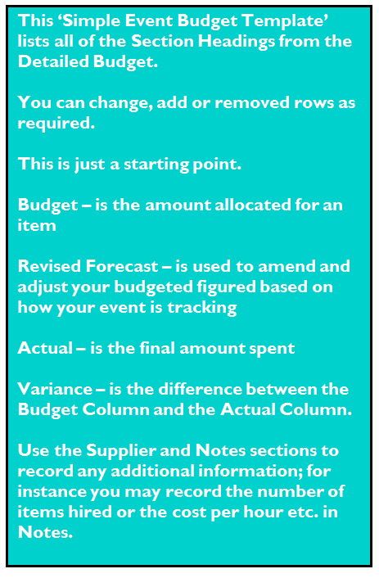
SIMPLE EVENT BUDGET TEMPLATE

Event: | EVENT NAME
Venue: | VENUE /LOCATION
Dates: | xx/xx/xx - xx/xx/xx
Times: | 00:01 - 24:00

Created by: | NAME |  | Date Created: | xx/xx/xx
Modified by: | NAME |  | Date Modified | 7/30/17

Saved: | enter the file path where this document is saved

INCOME
Description | Code | Revised Forecast | Quote | Actual | Variance | Supplier | Notes

Income Detail
Entry Fee |  |  |  | $- | $-
Sponsorship |  |  |  | $- | $-
Vendor Site Fees |  |  |  | $- | $-
Other |  |  |  |  | $-
INCOME TOTAL |  | $- | $- | $- | $-

EXPENSES
Description | Code | Revised Forecast | Quote | Actual | Variance | Supplier | Notes

Expense Detail
Venue/Site Hire |  |  |  | $- | $-
Hire Equipment |  |  |  | $- | $-
Signage |  |  |  | $- | $-
Marketing |  |  |  | $- | $-
Contractors/Suppliers |  |  |  | $- | $-
Staffing |  |  |  | $- | $-
Programming/Entertainment |  |  |  | $- | $-
Travel |  |  |  | $- | $-
Insurance/Permits |  |  |  | $- | $-
Catering |  |  |  | $- | $-
Administration |  |  |  | $- | $-
Other |  |  |  | $- | $-
Other |  |  |  | $- | $-
Other |  |  |  | $- | $-
Other |  |  |  | $- | $-
EXPENSES TOTAL |  | $- | $- | $- | $-

Contingency 10% |  | $- | $- | $- | $-

Total Net Position (Income minus Expenses) |  | $- | $- | $- | $-

